CRM Workflow
Reports
Start
Website

Lead Report
Lead Enquiry
First Name, Last Name, Email, Phone No, City, Website, Country, Services
Email Lead

Auto saved to lead bucket
Phone Lead

Rule: Sales Manager will be provided with the master to configure lead auto assignments to respective to Sales Executives
Lead Assignment
Lead Assignment

Rejected
Rule: For any lead rejection, approval from Sales Manager/Management is mandatory
Lead Status
Lead Screening
 |  |  | Irrelevant

 |  | Relevant
Lead Response Report
In the Lead list screen, Response Action button will be enabled for Sales Executive and Sales Manager
Initial Response by Sales Team

Client Interested
Client not Interested. Move the leads to approval process

Rule: Team Head configures Scoper assignment based on Services
Scoping

Scope Estimation will be shared by Scoper
Scoper submit the estimation with Engagement Model Scope of Work Delivery Hours and QC Hours

Team Head approves the given scoping

Sales Executive to fill the scoping received from scoper as per the standard template with Pricing
Sales Executive share the scope with standard template with or without Pricing

Multi level Approval

Proposal to Client as per the standard template.

Is there any changes in requirement

Yes

 |  | No
Is there any price negotiation from client

Management Approval
 |  |  |  | Yes

 |  | No
Proposal Send

Rejection Log
 |  |  |  | No

 |  | Yes
Payment Link Generation

Is Finance Approved
 | Payment link generation Loop

Reason for not approving Payment Link
 |  |  |  | No

 |  | Yes
Send Payment Link to Client

Payment Confirmation from Finance
Drop Payment
Drop scope

Drop
 |  |  |  | No

 |  | Yes
Release Work Order and TOS

Completes CRM
Assign Team Head with Start and End Date

Team Head needs to update the Primary REA, Secondary REA (optional)

Project introduction mail to Client

End

Lead Enquiry
WEB VIEW | Note:Below Table data will flow from Website

SL.NO | FIRST NAME | LAST NAME | JOB TITLE | EMAIL | PHONE NUMBER | COMPANY NAME | CITY | ZIPCODE | CITY | COUNTRY | HOW DID YOU HEAR ABOUT US | LIST OF SERVICES | DESCRIBE YOUR REQUIREMENT

Screen Name | Lead Enquiry
Scope | To Display all the Leads both Assigned/Not Assigned to Sales Executive
Access Level | Sales Executive/Sales Manager/Management

View
CRM VIEW
SL.NO | SALES EXECUTIVE | FIRST NAME | LAST NAME | JOB TITLE | COMPANY NAME | COUNTRY | LIST OF SERVICES SELECTED | CITY | DESCRIBE YOUR REQUIREMENT | Action
1 | Kumaresan | Chris | Young | CEO | NREP | US | Calendar Management | New York | website development
 |  |  |  |  |  |  |  |  | Tooltip and Limit the character

Screen | Search Filter | Sales Executive, From and To Date, Country, Region, Service, Lead Status
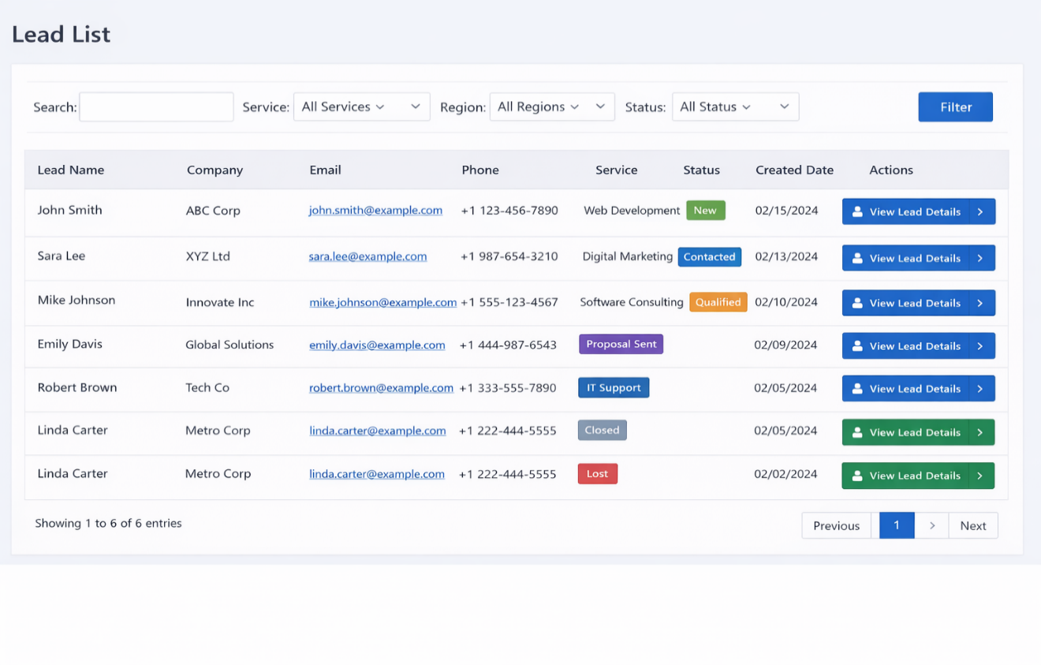

 |  |  |  | Lead Status | New
 |  |  |  |  | Responded | Mailed to Client
 |  |  |  |  | Contacted | Spoken and Mail to Client
 |  |  |  |  | Rejected

 |  |  |  | Default | Cold
 |  |  |  | Scope | Warm
 |  |  |  | Payment | Hot

Lead View
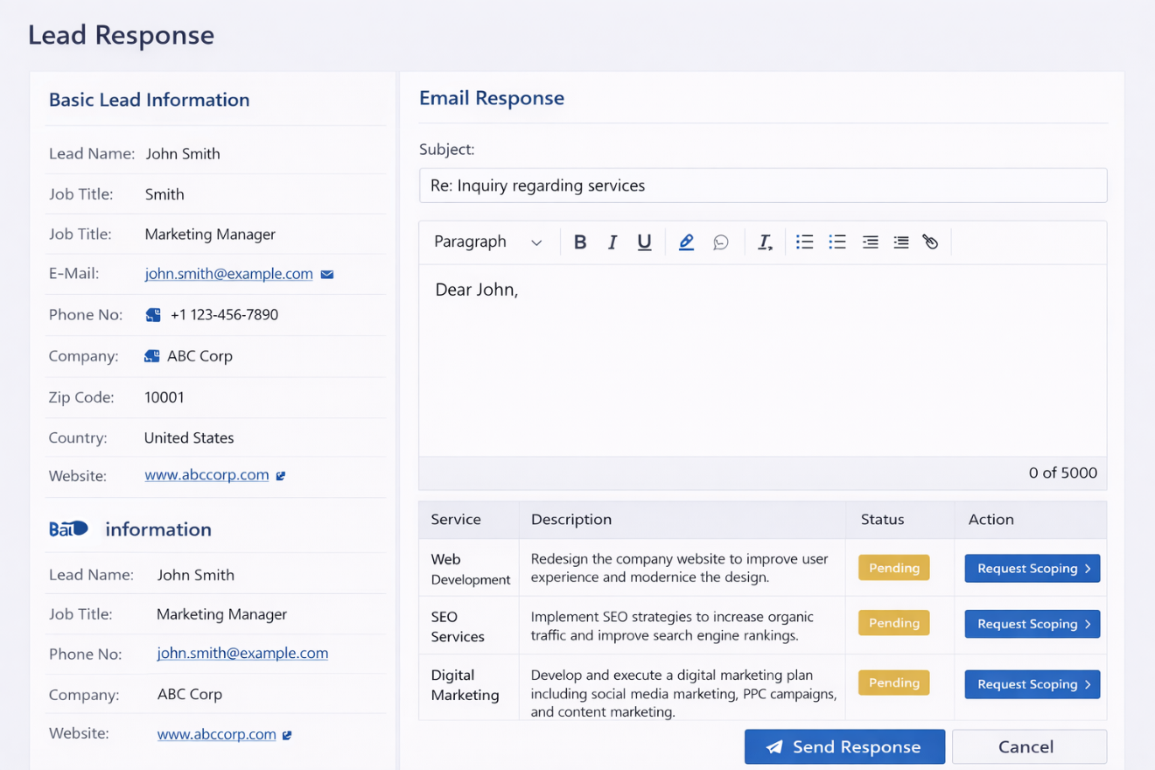
Screen Name | Lead View
Scope | This screen display's complete lead information
Access Level | Sales Executive/Sales Manager/Management

Points to be discussed
1.While Editing the information edit icon required against each field?
2.Can sales manager update sales executive from this screen? If yes then email trigger is required?
3.Till what stage we can enable the edit of Lead Details or At what stage which details can be updated Case 1: Once the Client makes the payment Sales Executive Should not be able to add new services to the lead enquiry

If the user clicks on Respond to client a Rich text editor with Lead stage dropdown will be given based on that standard email template will go to client
LEAD INFORMATION
Label
First Name
Last Name
Country | Want to add new country? It will navigate to masters screen.
City | Want to add new City? It will navigate to masters screen.
How did you hear about us | Can’t find your referral? Add a new one It will navigate to masters screen.
Zip Code
Website
Company Name
Phone Number
Email
If the user request for scoping, an email will trigger with lead information to Respective Delivery Manager and Scoper
Note: If the Lead is Qualified then only Sales Executive will be able to send for Scoping or else disable the button.
Job Title
Lead Source | Inbound/OutBound
Lead Status | New/Contacted/Qualified/Interested/Proposal Sent/Negotiation/Converted/Lost
Sales Executive
Respond to Client

Request For Scooping
When the user clicks on Want to add new services we will show master dropdown of list of services
List of services selected
SL.NO | Service Name | Description | Action
1 | Calendar Management | Test description
Request For Scooping
2 | Website Maintainance | Sample Description
Want to Add New Services?

Sample Lead Response Screen (When the user clicks on Respond to client) | Note: There will one more dropdown to select the Lead Stage, based on that we will refer the Standard Email Templates that will be sent to the client

Scope List
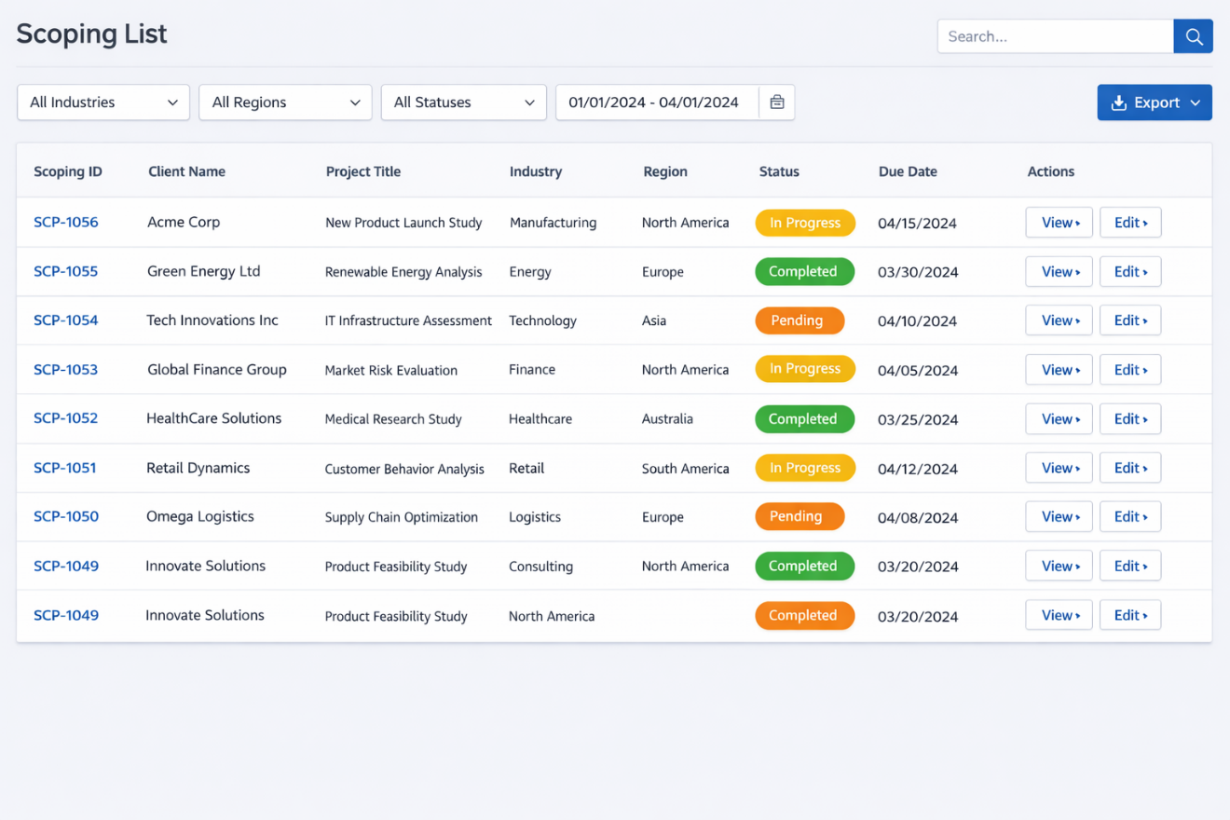
Screen Name | Scope List
Scope | To display complete list scopes.
Access Level | Delivery Manager/Scoper

View
CRM VIEW
Scope ID | Scoper Name | Lead Enquiy ID | Requested Service | Requested On | Requested by | Priority | Action
SCP-001 | Charanraj | ENQ-001 | Web Development |  | Kumaresan | High

High/Medium/Low
Based on this scoper will respond.

Sample Screen

Scope View
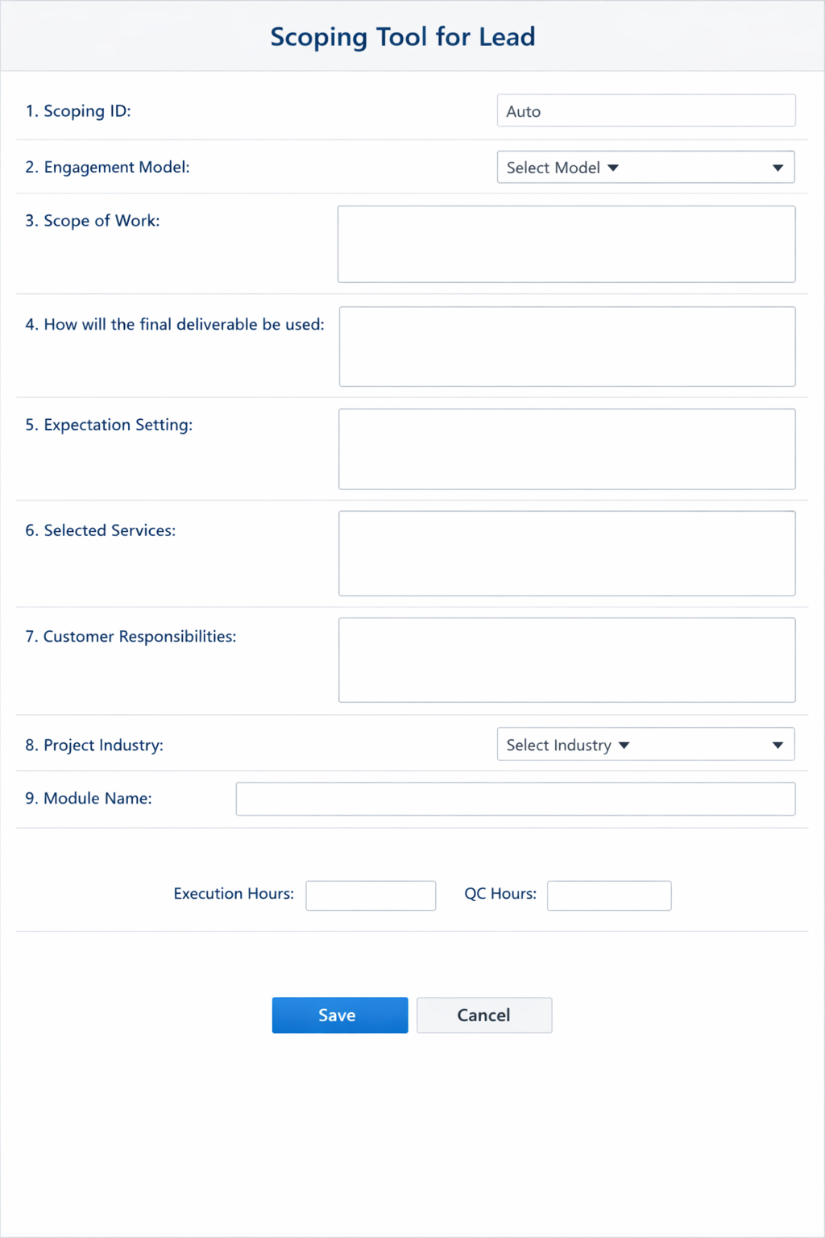
Screen Name | Scope View
Scope | To display scope details for specific lead enquiry
Access Level | Delivery Manager/Scoper/Management/Sales Manager/Sales Executive

Once user Clicks on Scoping Tool, It will open up in the new window as per the below sample screen
Lead Information
Client Name
Services Selected
Email ID
Website
Assigned Sales Executive
New/Irrelevant/Resource Unavailable/Scoping Call/Estimation Submitted/Estiamtion Shared to Converted/
Client Requirements
Phone Number
Scoping Tool

Scope Stage
Scope Details

Scope ID

Engagement model

Scope of work

How the final deliverable will be used

Expectation Settings

Selected Services

Customer Responsibilities

Scope Requested By
Kumaresan 12/02/2025

Scope Estimation done By
Charan 13/.02/2025

Delivery Team Scope Approved By
Murugan 14/02/2025

Sent for Management Approval On
15/02/2025

Approved By
Ssatheesh on 16/02/2025

Different Action Buttons based on the Scope Stage.
Based on Role Action buttons will be enabled.
Update
Reject Scoping
Approve

Send for Sales Manager/Management Approval

Preview

Sample Screen (Scoping Tool)

Finance
If the Payment Link is approved then Acknowledge Button will be enabled.
 |  | Screen Name | Finance Approval/Finance Acknowledge
 |  | Scope | In this screen finace team approves Payment Link Generated by Sales Executive
 |  | Access Level | Finance

Approve
Reject
Hold
Acknowledgment
CRM View
Sl.No | Payemnt ID | Requested By(Sales Executive Name) | Client Name/Customer ID(if app) | Region | Country | Amount Payable(In Dollar) | Payment Link | Action
1 | PAY-001 | Kumaresan | Chris Young/CID-2345-NML | Asia | India | 100 | http://testlink/a=hfeghr
Note: For Old Customer we will have Customer ID Once Finace team Acknowledges,below are the background work will be done 1.Creating Account for the Customer.

Basic Client Information
Client Name

Email Address

Phone Number

Country
Region

Payment Link Generated for

Payment Link

Approve
Reject
Keep On Hold

Customer List
 |  |  | Screen Name | Client List
 |  |  | Scope | To display all the Clients
 |  |  | Access Level | Manager/Sales Executive/Sales Manager

View Details
CRM View
Sl.No |  | Customer ID | Client Name | Email Address | Country | Region | Contact Number | Account Created On | Action
1 |  | CID-576F4-MPK | Chris Young | test@gmail.com | IND | ASIA | 897395030 | 13/02/2026

Account Information

Client Name

Customer ID

Other Details

Services/Project

Sl.No | ProjectID | Project Name | Service Name | Sales Executive | Enquiry ID(Ref) | Scope ID(Ref) | Project Start Date | Porject End Date

Masters
Screen Name | Manage Master Data
Scope | Admin Screen to update the masters
Access Level | Super Admin
 |  | Sample Screen for Managing the Masters

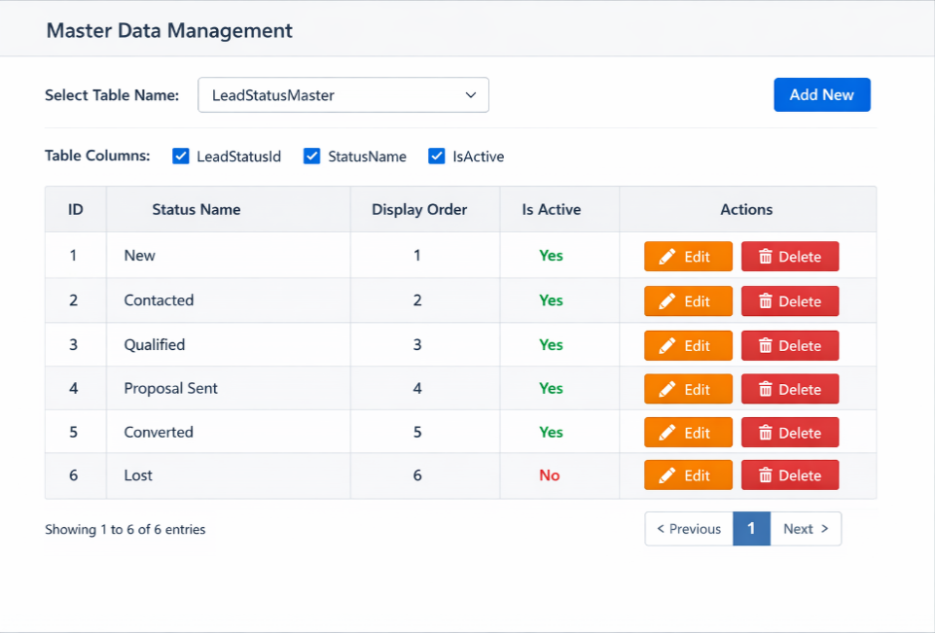
Step1: | Select the table name from the dropdown
Step2 | Table will render as per the table schema
Step3 | Perform Edit/Delete action as per the requirement

List of Master Tables
Country Master
Region Master
State Master
Service Master
Price Master
Refferal Master
Scoper Configuration Master | Here we will be stroing service wise scoper
Lead Assignment Configuration | Here we will be storing service and region wise sales executive
Lead Stage Master | New/Contacted/Qualified/Interested/Proposal Sent/Negotiation/Converted/Lost
Scope Status
Lead Type Master | Hot/Cold/Warm
Role Master | Delivery Manager/Sales Executive/Sales Manager/Scoper/Finace/Management
User Master
Engagement Model Master | Fixed Bid/ Subscription
Menu Master | To display the menus(Header,Sidebar etc) - to handle display order and visibility
Delegate Access | To work on behalf of some user
Global Application Settings | Password Expiration Time, Renewal Reminder, Trigger Email? - Yes/No, Application Layout Used, Price Unit ? - PerMin/PerHour/PerDay, Default Language etc…

Service Master
Service Name | Service Description

Lead Stage Master |  | Servicewise Price Master
Status Name | Is Active | Service | Region | Max Price | Min Price | Management Approved Max Price | Management Approved Min Price
New
Contacted
Qualified
Interested
Proposal Sent |  | Note: Price mentioned per hour
Negotiation
Converted
Lost
Note: Discuss with Product Owner to finalize different stages of lead enquiry

Role Master
Role Name | Is Active
Management
Sales Manager
Delivery Manager
Sales Executive
Scooper

User Role Master
Screen Name | Access Policy
Scope | To Configure the Role Based Access
Access Level | Super Admin

MANAGE USER ACCESS

UPDATE
UPDATE
Sl. NO | Name | Super Admin | Management | Sales Manager | Sales Executive | Delivery Manager | Scoper | Action
1 | Kumaresan | No | No | Yes | Yes | Yes | No
2 | Murugan | No | No | No | No | Yes | Yes
UPDATE
3 | Charanraj | No | No | No | No | No | Yes

